Sheet1
Feature 1 | Feature 2 | Class 1 | Class 2 | plot | confusion matrix | accuracy
bill_depth_mm | bill_length_mm | Adelie | Gentoo | 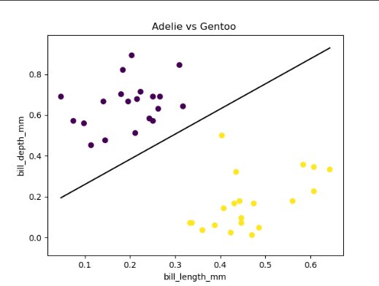 | 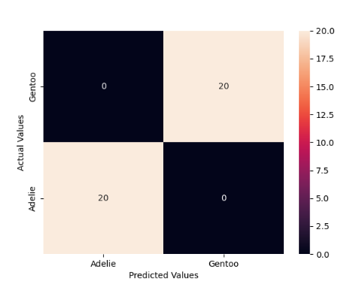 | 100%
 |  | Adelie | Chinstrap | 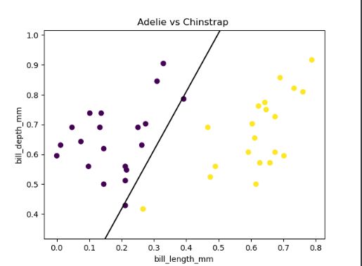 | 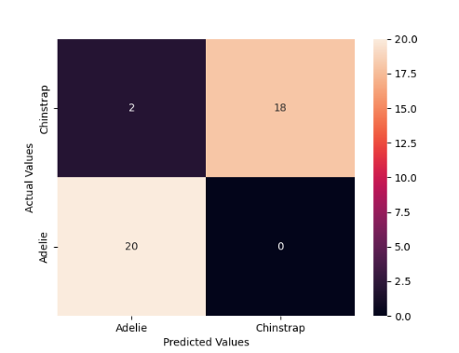 | 95%
 |  | Gentoo | Chinstrap | 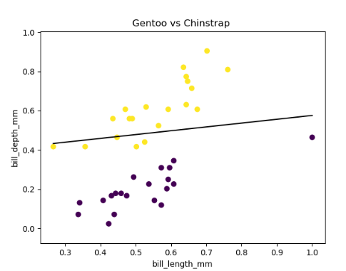 | 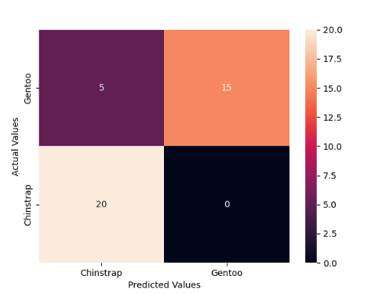 | 85%
bill_depth_mm | flipper_length_mm | Adelie | Gentoo | 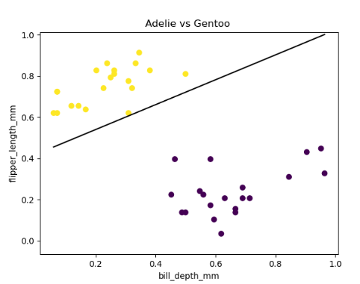 | 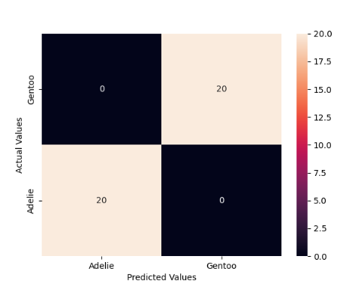 | 100%
 |  | Adelie | Chinstrap | 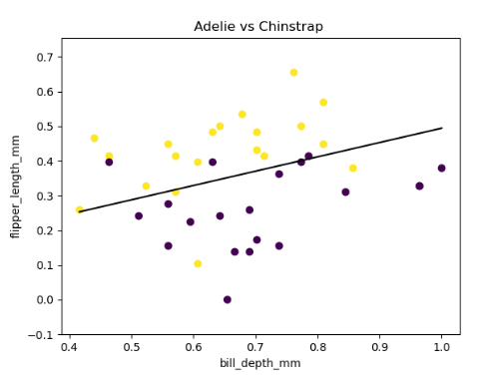 | 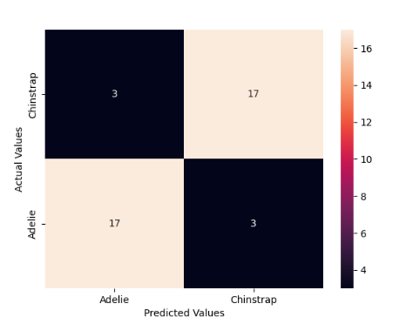 | 85%
 |  | Gentoo | Chinstrap | 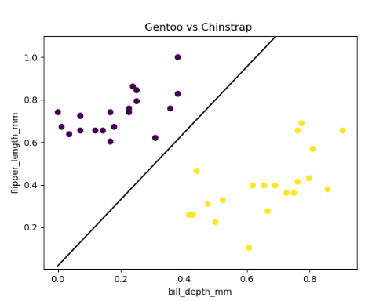 | 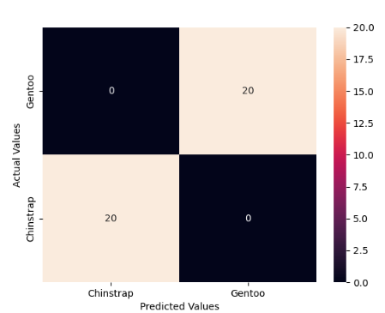 | 100%
bill_depth_mm | gender | Adelie | Gentoo | 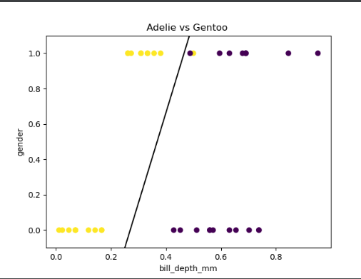 | 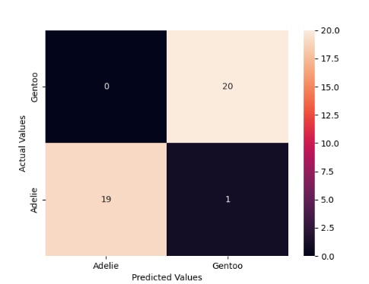 | 97.50%
 |  | Adelie | Chinstrap | 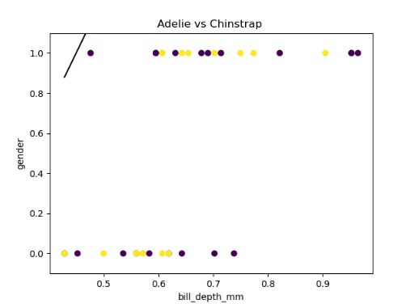 | 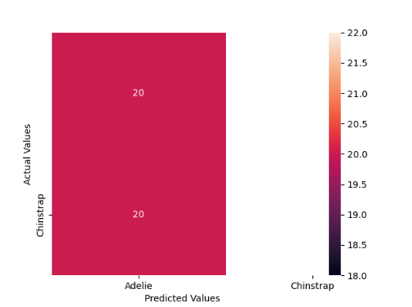 | 50%
 |  | Gentoo | Chinstrap | 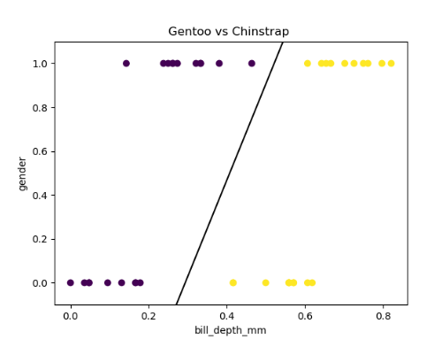 | 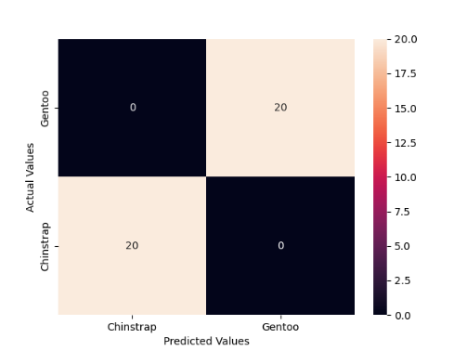 | 100%
bill_depth_mm | body_mass_g | Adelie | Gentoo | 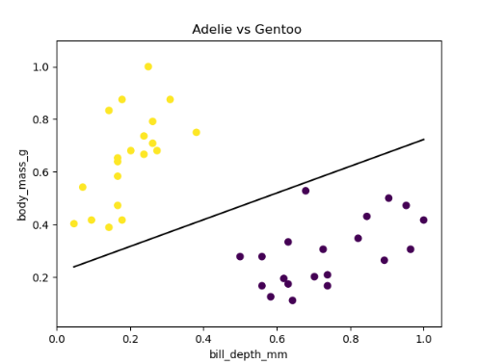 | 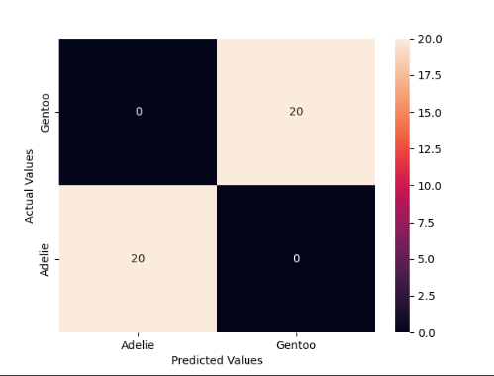 | 100%
 |  | Adelie | Chinstrap | 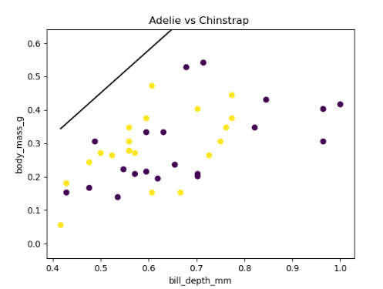 | 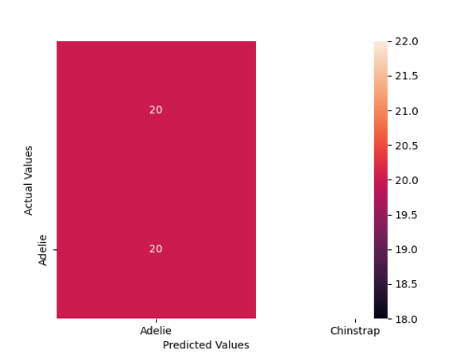 | 50%
 |  | Gentoo | Chinstrap | 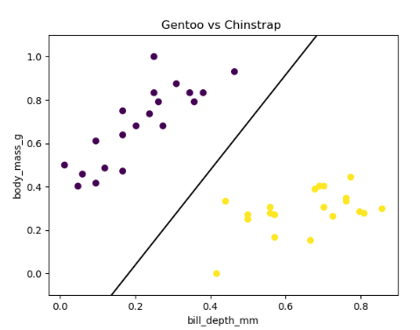 | 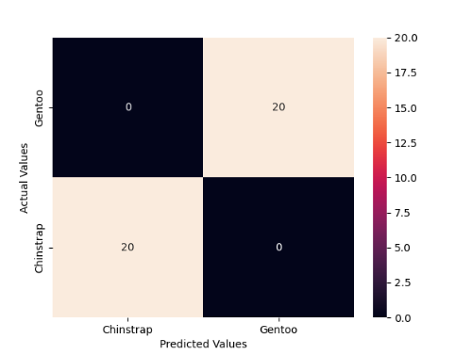 | 100%
bill_length_mm | flipper_length_mm | Adelie | Gentoo | 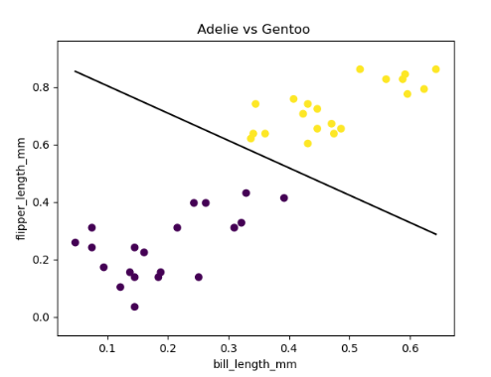 | 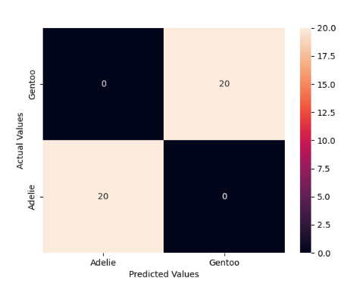 | 100%
 |  | Adelie | Chinstrap | 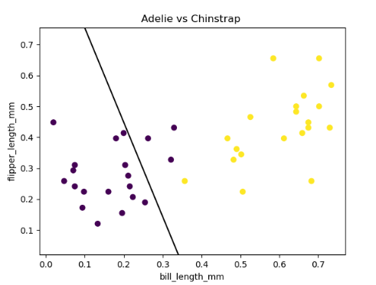 | 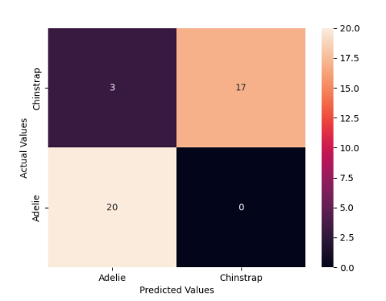 | 92.50%
 |  | Gentoo | Chinstrap | 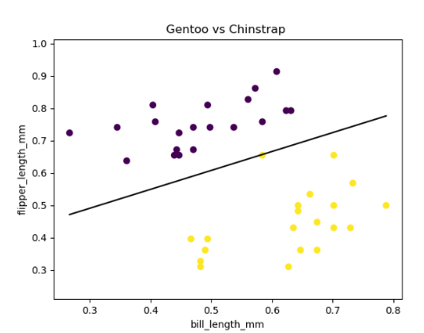 |  | 100%
bill_length_mm | body_mass_g | Adelie | Gentoo | 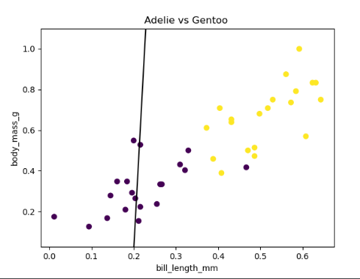 | 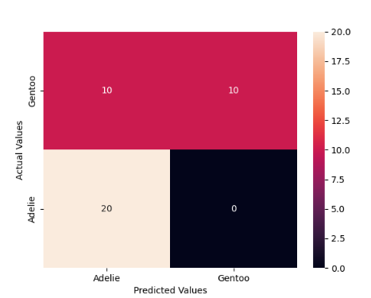 | 75%
 |  | Adelie | Chinstrap | 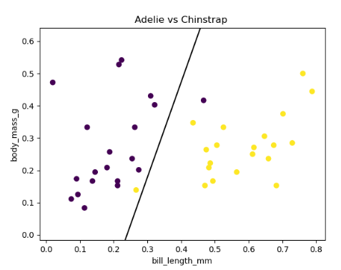 |  | 95%
 |  | Gentoo | Chinstrap | 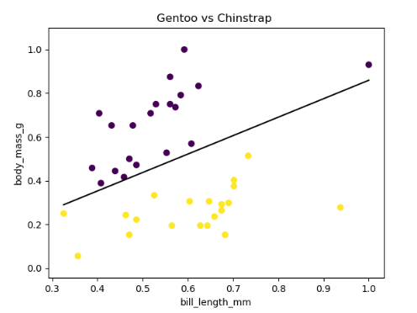 | 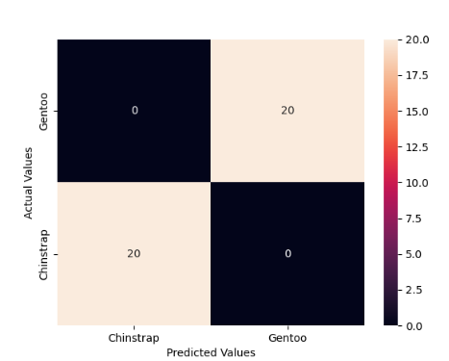 | 100%
bill_length_mm | gender | Adelie | Gentoo | 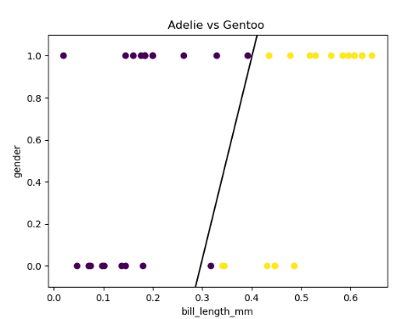 | 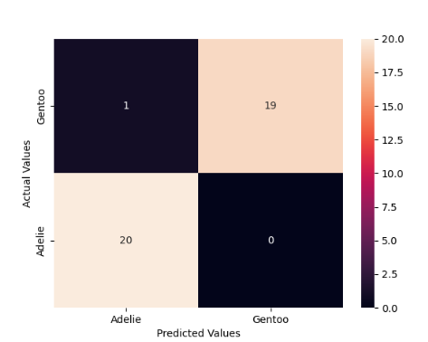 | 97.50%
 |  | Adelie | Chinstrap | 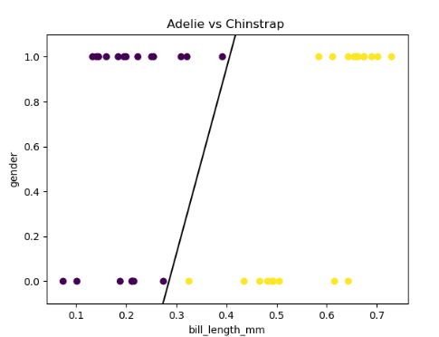 | 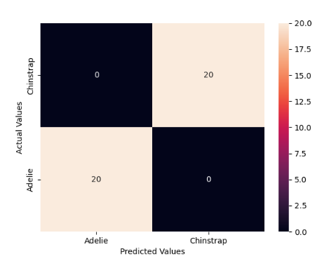 | 100%
 |  | Gentoo | Chinstrap | 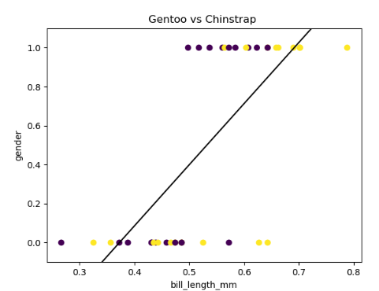 | 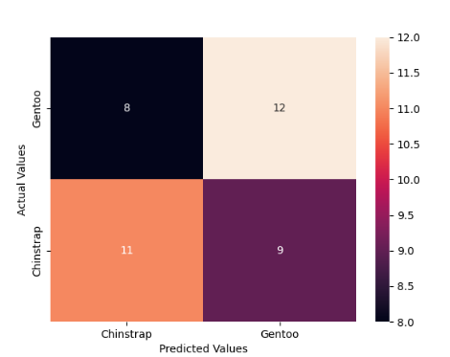 | 57.50%
flipper_length_mm | body_mass_g | Adelie | Gentoo | 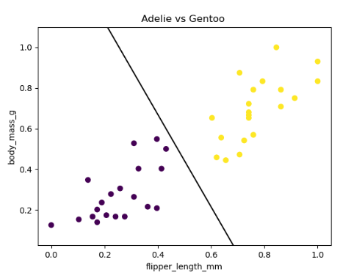 | 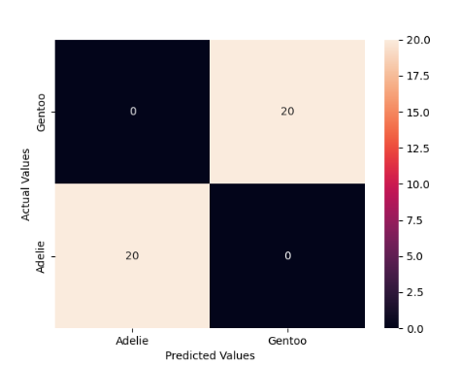 | 100%
 |  | Adelie | Chinstrap | 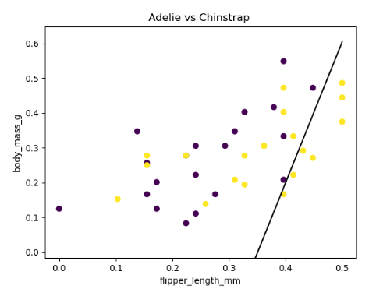 | 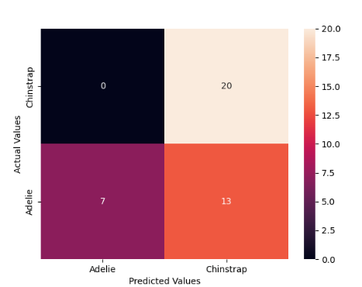 | 67.50%
 |  | Gentoo | Chinstrap | 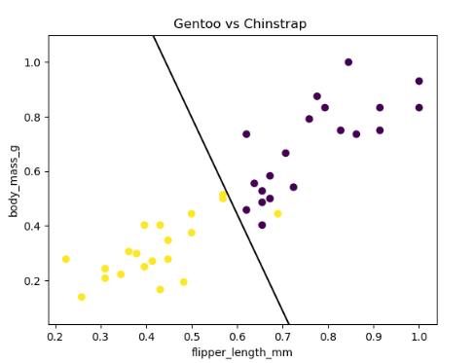 | 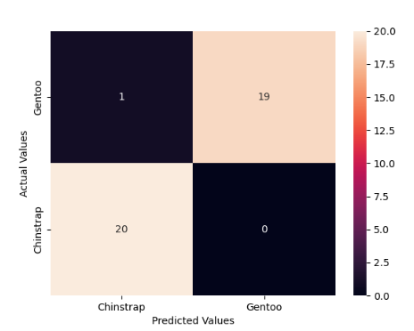 | 97.50%
flipper_length_mm | gender | Adelie | Gentoo | 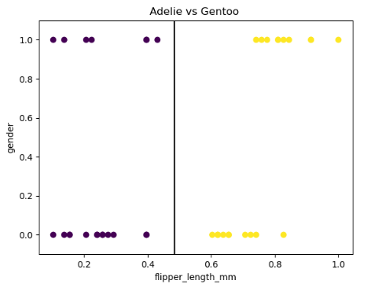 | 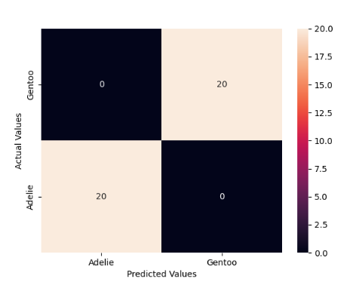 | 100%
 |  | Adelie | Chinstrap | 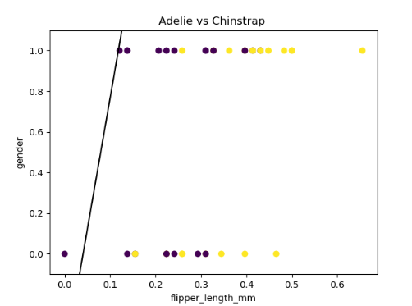 | 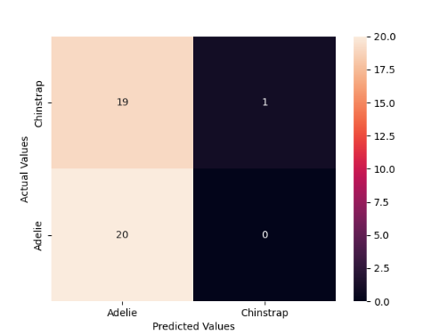 | 52.50%
 |  | Gentoo | Chinstrap |  |  | 97.50%
body_mass_g | gender | Adelie | Gentoo |  |  | 92.50%
 |  | Adelie | Chinstrap |  |  | 50%
 |  | Gentoo | Chinstrap |  |  | 97.50%

